About
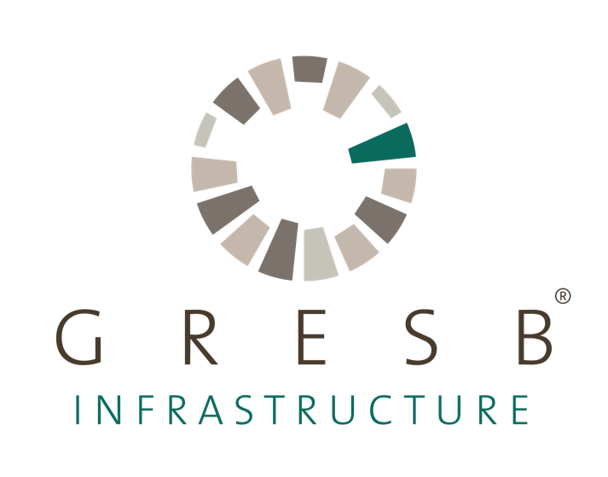

The 2019 GRESB Infrastructure Asset Assessment - Excel' cannot be uploaded in the GRESB Portal, it can only be used to prepare for the Assessment.
About the 2019 GRESB Assessment The GRESB Infrastructure Asset Assessment provides the basis for systematic reporting, objective scoring and peer benchmarking of ESG management and performance of infrastructure assets around the world. Both single and multi-asset operators can participate and the process leads to deep data insights for investors, fund managers and asset operators. The Asset Assessment is organized around 7 core aspects: Management: Responsibility and approach to ESG management Policies & Disclosure: ESG objectives as integrated into the policies and practices Risks & Opportunities: Understanding and mitigation of key sustainability risks and opportunities Monitoring & EMS: ESG monitoring practices Stakeholder Engagement: Engagement activities across stakeholders Performance Indicators: ESG performance in relation to data capture and reporting of infrastructure performance metrics Certifications & Awards: Achievement of ESG related certifications These aspects are broken down into indicators addressing asset-level plans and policies, implementation actions and operational performance. The Assessment provides the information needed to assess efforts to maximize beneficial outputs, such as energy production, mobility, or access to clean water, while minimizing social and environmental impacts. Based on the Assessment, GRESB provides an overall GRESB Score for each participant as well as peer group comparisons that take into account country, regional, sectoral and investment type variations.
Who can see my data? GRESB benchmark scores are not made public. Data collected through the GRESB Infrastructure Assessment is only disclosed to the participants themselves and GRESB Investor Members via the following access request process: GRESB Investor Members and/or Fund Manager Members must request access to participant's data using the online Data Access Request Tool. Participants have several options to control the availability of information to investors. Participants must individually approve data access requests from GRESB Investor Members (fund and end investors). A request is received via email and, upon approval by the participant, the requesting GRESB Member may view the participant’s Benchmark Report. Participants may reject data access requests. Rejecting a request blocks the requesting member’s access to the participant’s results. Participants should always carefully check the identity of the organization requesting access to GRESB Infrastructure Assessment results.

I would like to participate in the Assessment for the first time. Can my Assessment results remain anonymous? (Grace Period) GRESB offers participants reporting for the first time, the option to not disclose their first year GRESB Infrastructure Assessment results to their investors. This 'Grace Period' allows participants a year to familiarize themselves with the GRESB reporting and assessment process without externally disclosing their results to GRESB Investor Members. While Grace Period participant names are disclosed to GRESB Investor Members, Investor Members are not able to request access to Grace Period participant results. Grace Period participants can use the Scorecard and Benchmark Report to identify opportunities to improve their performance for future GRESB Infrastructure Assessments. First time participants wishing to opt for the Grace Period can select the option from the settings section in the Assessment Portal. It is possible to ‘lift’ or ‘remove’ the Grace Period status immediately after results are released by formal request to GRESB.
I have answered all Assessment questions. What should I do next? Once the Assessment is complete, you should review your draft Assessment submission and obtain any final internal approvals. Incomplete information is highlighted in the ‘Review and Submit’ page of the Portal. You will be unable to submit until you resolve all outstanding issues listed. Please note it is not possible to make changes once you have submitted your Assessment. Response check service A Response Check is a high-level pre-submission check of a participant’s Assessment response by the GRESB team. It minimizes the risk of errors that could adversely impact Assessment results. The Response Check fee for non-members is €1750 (VAT exclusive). Members are able to request a complimentary Response Check as one of their membership benefits. Fund manager members who submit the Assessment for multiple entities are entitled to a maximum of three Response Checks as part of their membership benefits.
What will GRESB do with my data? Once data is submitted online, it is stored securely and is only accessible to GRESB staff and their authorized agents (IT providers). Over the summer, the data is processed and analyzed. GRESB’s annual Assessment results are published in September each year.
© 2019 GRESB BV Unless explicitly stated otherwise, all rights including those in copyright in publication are owned by or controlled for these purposes by GRESB B.V. Except as otherwise expressly permitted under copyright law or GRESB B.V’s terms and conditions, no part of this publication may be reproduced, copied, republished, downloaded, posted, broadcast or transmitted in any way without first obtaining GRESB B.V’s written permission. GRESB's portal terms for Real Estate applies to the use of this document

